Overview
Patient Experience - Adapted from HRSA's Advancing Health Center Excellence Framework
The health center provides care that is respectful of, and responsive to, individual patient preferences, culture, needs and values, and ensures that patient values guide all clinical decisions. The health center coordinates equity-oriented, patient-centered care and provides information and education to encourage patients, families, caregivers and friends to actively engage in their care.
5 Performance Expectation Areas (or Domains) illustrating the priorities for patient experience: (1) Patient Activation and Engagement (2) Partnership with Families and Caregivers (3) Building Trusting Relationships (4) Patient-Centered Care Coordination (5) Leadership
12 Performance Expectations: (1) Maximize patient involvement in managing their health and health care across various levels of the healthcare system (2) Assist patients to understand their role and ability to participate in the collaborative decision-making process of their individual care plans (3) Encourage and support patient participation across the organization (4) Listen to patients personalized preferences and are respectful of, and responsive to their patient’s needs (5) Have systems for engaging patients’ family members and caregivers (6) Provide opportunities for them to actively co-manage patient’s health care, as allowed by healthcare regulations and in alignment with patients’ wishes (7) Treat patients with dignity and compassion, respecting and holistically meeting the patient’s health care needs (8) The patient community entrusts the health center system with their care and the care of their families (9) Strive to reduce system barriers to ensure health services and/or timely appointments are available when the patient wants them (10) Respond and communicate with patients and assist them to navigate care (11) Integrate and coordinate essential primary health services that are culturally-and linguistically appropriate (12) Demonstrate leadership commitment to improving patent experience

A health center can achieve various levels of maturity with the patient experience, with the ability to move up and down:

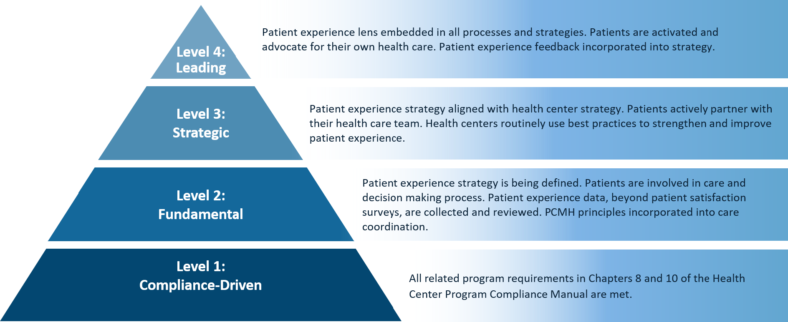

 | Advancing Health Center Excellence Domain (4)
 | Advancing Health Center Excellence Performance Expectations (12)
 | Beryl Questions
 | ACO PAE tool
 | AHA Strategies for Leadership Patient and Family Centered Care A Hospital Self-Assessment Inventory

Results
Performance Area
Performance Area Expectation Results
Performance Area | Baseline | Remeasurement | % Improvement
Patient Activation and Engagement | - | - | -
Partnership with Families, Caregivers and Friends | - | - | -
Building Trusting Relationships | - | - | -
Patient Centered Care Coordination | - | - | -
Leadership | - | - | -
Overall Score | - | - | -
Performance Expectations Results
Patient Activation and Engagement
Patient Activation and Engagement | Baseline | Remeasurement | % Improvement
Maximize patient involvement in managing their health and health care across various levels of the healthcare system | - | - | -
Assist patients to understand their role and ability to participate in the collaborative decision-making process of their individual care plans | - | - | -
Encourage and support patient participation across the organization | - | - | -
Listen to patients personalized preferences and are respectful of, and responsive to their patient’s needs | - | - | -

Partnership with Families, Caregivers and Friends

Partnership with Families, Caregivers and Friends | Baseline | Remeasurement | % Improvement
Have systems for engaging patients’ family members and caregivers | - | - | -
Provide opportunities for family members, caregivers and friends to actively co-manage patient’s health care, as allowed by healthcare regulations and in alignment with patients’ wishes | - | - | -
Building Trusting Relationships

Building Trusting Relationships | Baseline | Remeasurement | % Improvement
Treat patients with dignity and compassion, respecting and holistically meeting the patient’s health care needs | - | - | -
The patient community entrusts the health center system with their care and the care of their families | - | - | -

Patient Centered Care Coordination
Patient Centered Care Coordination | Baseline | Remeasurement | % Improvement
Strive to reduce system barriers to ensure health services and/or timely appointments are available when the patient wants them | - | - | -
Respond and communicate with patients and assist them to navigate care | - | - | -
Integrate and coordinate essential primary health services that are culturally-and linguistically appropriate | - | - | -
Leadership

Leadership | Baseline | Remeasurement | % Improvement
Demonstrate leadership commitment to improving patient experience | - | - | -

